Budget
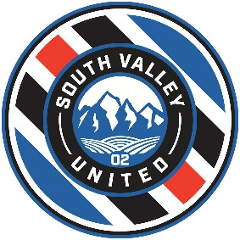  Budget Template

Club Expenses | Description | Player | Due by | Note | Payment Schedule
Registration | Annually | $250 | June |  | FALL
Monthly | $50/ month active | $375 | Monthly | assumes 7.5 months | 2019-07-01 | $50 | Monthly Club Fee July

 | Total Club Cost | $625 |  |  | 2019-07-15 | $120 | SLO Summer Classic, Nor Cal League

Team Events | Team Cost | Player | Due by | Note | 2019-08-01 | $50 | Monthly Club Fee August
NorCal Premier League | $500 | $50 | July
SLO Summer Classic | $695 | $70 | July |  | 2019-08-15 | $137 | SoccerFest, Fall Referee Fees, Backpack
SoccerFest | $600 | $60 | August
NorCal State Cup | $695 | $70 | September |  | 2019-09-01 | $50 | Monthly Club Fee September
Placer United Girls Cup | $900 | $90 | November
Spring Tournament #1 | $900 | $90 | April |  | 2019-09-15 | $70 | NorCal State Cup, Sweats
Spring Tournament #2 | $900 | $90 | May
 |  |  |  |  | 2019-10-01 | $50 | Monthly Cub Fee October

Team Expenses | Team Cost | Player | Due by | Note | 2019-10-15 | $90 | Placer United Girls Cup
Referees Fall | $110 / home game | $77 | July | Assumes 7 home games
Referees Spring | $110 / home game | $77 | March | Assumes 7 home games | 2019-11-01 | $25 | Monthly Club Fee November
Uniform (warm-ups, backpack) | $4,000 | $400 | June - mid |  | Spring
 |  |  | September |  | 2019-03-01 | $50 | Monthly Club Fee March
 |  |  | October
 |  |  |  |  | 2019-03-15 | $167 | Spring Tournament, Referee fees
 | Events and Team Expenses | $1,073
 |  |  |  |  | 2019-04-01 | $50 | Monthly Club Fee April

 | Total Financial Commitment | $1,698 |  |  | 2019-05-01 | $50 | Monthly Club Fee May

 |  |  |  |  | 2019-05-15 | $60 | Spring Tournament

 |  |  |  |  |  | $1,018 | Total Remaining Commitment

